Table 2
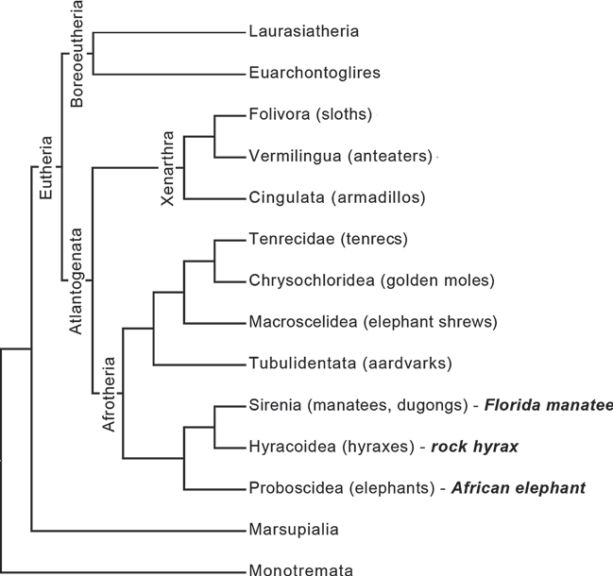
Fig. 1. Mammalian phylogenetic tree indi-cating the position of manatees within the order Sirenia. The current findings are dis-cussed relative to other afrotherian species listed in bold italics (rock hyrax, African el-ephant). Adapted from Sherwood et al. [2009].
elucidate primitive and derived conditions in the euthe-rian clade. Examination of afrotherians and xenarthrans has shown that they retain many primitive neuroanatom-ical characteristics that were likely shared with the last eutherian common ancestor, including cellular scaling rules in the cerebral and cerebellar cortices, and aspects of the chemoarchitecture of the cerebral cortex, including particular interneuron subtypes at a relatively low den-sity, as well as the morphology and laminar distribution of neurons containing nonphosphorylated neurofila-ment protein (NPNFP) [Sherwood et al., 2007, 2009; Neves et al., 2014; Reyes et al., 2015]. Sirenians, which include manatees and dugongs, are unusual members of Afrotheria because they have adapt-ed to an entirely aquatic lifestyle [O’Shea and Reep, 1990] and have a highly unusual, lissencephalic brain for their relatively large body size [Edinger, 1933, 1939; Reep et al., 1989; Reep and O’Shea, 1990] (fig. 1). A recent study of the chemoarchitecture of the presumptive somatosenso-ry cortex (hereafter S1) in Florida manatees indicated that the neuron density and NPNFP-immunoreactive pyra-midal neuron proportions were similar to those seen in | other afrotherians and xenarthrans [Reyes et al., 2015]. More specific traits such as the predominance of calbin-din- and calretinin-immunoreactive interneurons in S1 and the laminar distribution of NPNFP-immunoreactive neurons have also been shown to be common across a di-verse range mammals including monotremes and marsu-pials and likely represent highly conserved neural fea-tures [Glezer et al., 1998; Hof et al., 1999]. Examination of the neuron morphology of the mana-tee may provide key information to trace the evolution of cortical organization in eutherian mammals and may also allow us to investigate whether specific features of neuronal morphology tend to evolve in a convergent manner in the context of aquatic adaptations. A previous study of neuron morphology in the cerebellum from the manatee and a sample of other mammals based on Gol-gi impregnations indicated that the types and overall morphology of cerebellar neurons were generally similar across species, although each species had a distinctive combination of soma size and dendritic traits. In cere-bellar neurons, dendritic volume, dendritic tortuosity, and total dendritic length (TDL) were most distinctive,

Table 4
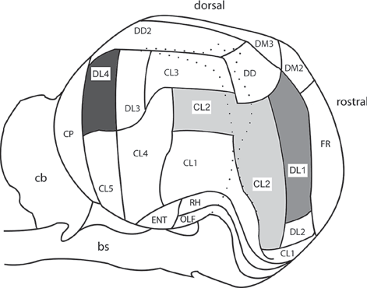 Fig. 2. Right lateral view of a manatee brain. The areas examined in the present study are shown in gray: dorsolateral somatosensory cortex (DL1, medium gray), cluster somatosensory cortex (CL2, light gray), and visual cortex (DL4, dark gray). Also shown are the frontal polar cortex (FR), the dorsolateral cortex (DL2, DL3), the dorsomedial cortex (DM2, DM3), the dorsal cortex (DD, DD2), cluster cortical areas (CL1, CL3, CL4, CL5), the rhinal cortex (RH), the olfactory cortex (OLF), the entorhinal cortex (ENT), the caudal polar cortex (CP), the cerebellum (cb), and the brainstem (bs). Ar-eas adapted from Reep et al. [1989] and Marshall and Reep [1995]. Table 1. Number of Golgi-impregnated neuron types traced for each area |  |  |  |  |  | ing from the apex of the soma toward the pial surface, and a skirt of basilar dendrites extending outward from the base of the soma [Feldman, 1984; DeFelipe and Fariñas, 1992]. Measurements for pyramidal neuronal morphology included: (i) cell soma area (μm2), (ii) TDL (μm), (iii) DSC, (iv) mean segment length (MSL, μm), (v) dendritic spine number (DSN), and (vi) dendritic spine density (DSD, spines/μm) and were adapted from previous studies [Bianchi et al., 2011; Jacobs et al., 2011]. Nonparametric tests were employed to compare measurements because the data were not normally distributed. A Kruskal-Wallis test was performed to con-firm consistent soma depths across the three regions and Wilcox-on’s rank-sum tests were used to compare the neuronal morphol-ogy measurements between regions, with a Bonferroni correction to control the familywise error for multiple comparisons. All sta-tistical analyses were performed using R [R Core Team, 2013]. Qualitative descriptions were also given for pyramidal neurons along with other neuronal subtypes identified in the manatee cor-tex. Results Qualitative Descriptions of Neuronal Morphologies Both S1 and V1 of the manatee contained a variety of aspiny and spiny neuron types (table 1). In addition to typical pyramidal neurons, the observed spiny neurons included atypical pyramidal types such as horizontal, in-verted, and magnopyramidal neurons, as well as other nonprincipal neuron types such as extraverted and bipo-lar neurons. Aspiny neurons included multipolar and bitufted morphological types. Photomicrographs of neu-rons in S1 and V1 are shown in fig. 3. Horizontal and Inverted Pyramidal Horizontal (n = 1) and inverted (n = 1) pyramidal neu-rons in S1 were similar to pyramidal neurons in terms of their dendritic morphology and soma shape. The main difference between these three neuron types was their ori-entations. Whereas pyramidal neurons had an apical den-drite that extended toward the pial surface and basilar d

Neuron type |  | Neurons, n
 |  | somatosensory cortex |  | visual total cortex DL4
 |  | CL2 DL1
Aspiny | 1 |  | 1 | 3 | 5
Aspiny bipolar | 1 |  | 1 | 0 | 2
Aspiny bitufted | 0 |  | 1 | 0 | 1
Bipolar | 0 |  | 1 | 0 | 1
Extraverted | 4 |  | 2 | 4 | 10
Fusiform | 0 |  | 2 | 0 | 2
Horizontal | 1 |  | 0 | 0 | 1
Inverted | 1 |  | 0 | 0 | 1
Magnopyramidal | 0 |  | 1 | 1 | 2
Pyramidal | 10 |  | 10 | 10 | 30
Fig. 3. Photomicrographs of Golgi-stained neurons in the pre-sumptive visual cortex (dorsolateral cortex area 4; DL4) and the presumptive somatosensory cortex (DL1 and cluster cortex area 2; CL2). Shown here are a pyramidal neuron from the dorsolateral primary visual cortex (DL4) (a), pyramidal neurons from DL1 (b, |  |  |  |  |  |  | d, g), an extraverted neuron CL2 (c), an aspiny neuron from DL1 (e), a dendrite indicating the spine density at a higher magnifica-tion in CL2 (f), and a pyramidal neuron in CL2 (h). Scale bars = 100 (a–e, g) and 50 μm (h). (For figure see next page.)
a b c
d e
f
g h
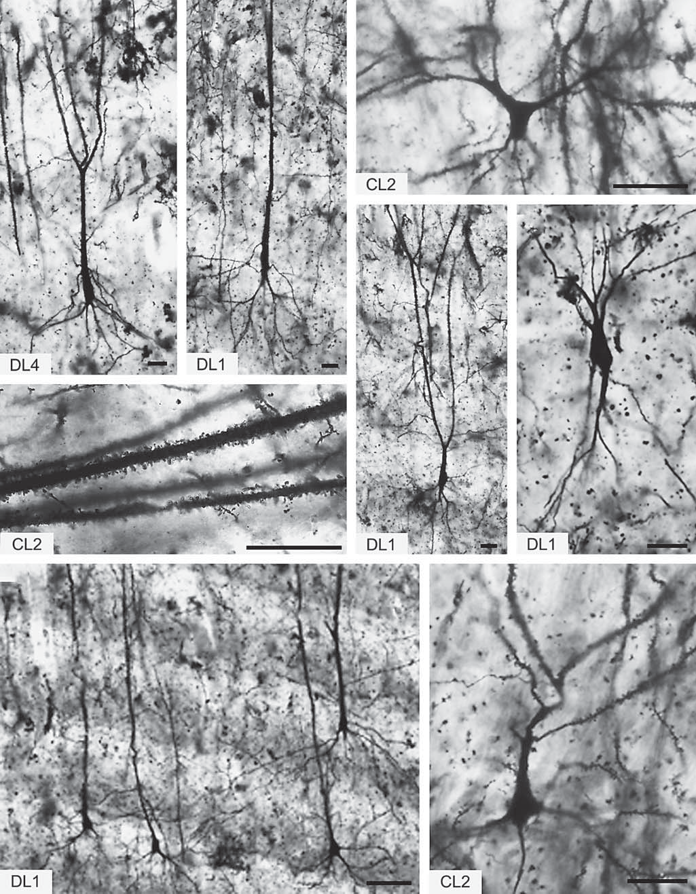
3

Table 5
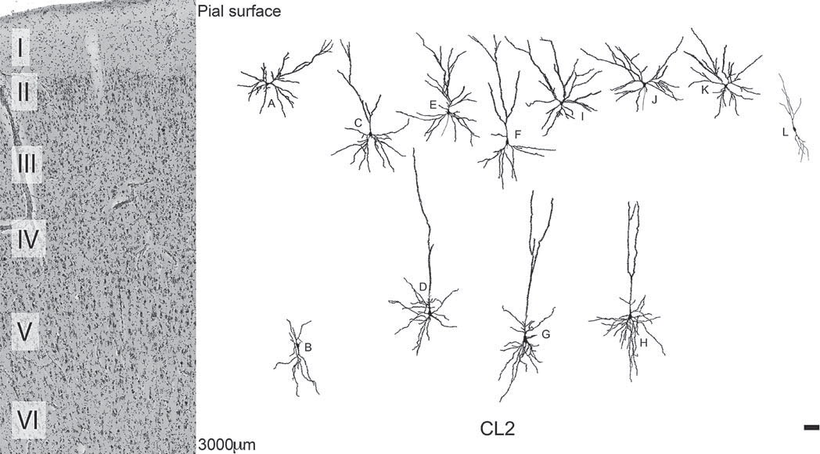
Fig. 4. Neurolucida tracings of spiny and aspiny neurons found in somatosensory area CL2 presented to indicate their location relative to the cortical layers: horizontal neuron (A), inverted neuron (B), pyramidal neurons (C–H), extraverted neurons (I–K), and aspiny neurons (L). Scale bar = 100 μm.
Magnopyramidal Magnopyramidal neurons appeared similar in both regions (n = 2). These very large neurons were similar to pyramidal neurons and had a single apical dendrite extending toward the pial surface and many spiny basi-lar dendrites that spread radially from the soma. How-ever, the single apical dendrite was very thick and ex-tended further than those of pyramidal neurons and did not branch as it reached the pial surface (fig. 5 J, fig. 6 O). Extraverted Extraverted neurons in both regions (n = 10) resem-bled those originally identified in the hedgehog, the ele-phant shrew, and the big brown bat [Sanides and Sanides, 1974]. These neurons were classified as extraverted neu-rons based on the appearance of their dendritic morphol-ogy and how well this appearance matched previous im-ages and descriptions [Sanides and Sanides, 1972, 1974] (specifically that the extent of the apical dendritic array, often containing 2 apical dendrites, exceeds that of the basilar dendritic array). Extraverted neurons in S1 had | more extensive apical dendritic branching than those in V1 (fig. 3c, 4 I–K, U, 6 J–L). Bipolar A bipolar neuron was traced in S1 (n = 1). This neuron type had a fusiform soma and 2 long processes that ex-tended vertically from either pole with sparse branching (fig. 5 A). Aspiny Aspiny neurons in S1 included multipolar (n = 5), bi-polar (n = 2), and bitufted (n = 1) neurons. Multipolar neurons had a round soma, whereas bitufted neurons had a more fusiform soma shape. In V1, aspiny neurons were multipolar with larger round soma than those observed in S1 (fig. 3e, 4 L, 5 G, H, 6 M, N). Analysis of Typical Pyramidal Neuron Morphology Qualitatively, pyramidal neuron morphologies in S1 and V1 were similar, exhibiting a single apical dendrite that extended toward the pial surface, with many spiny basilar dendrites that spread out radially from the soma

Table 6
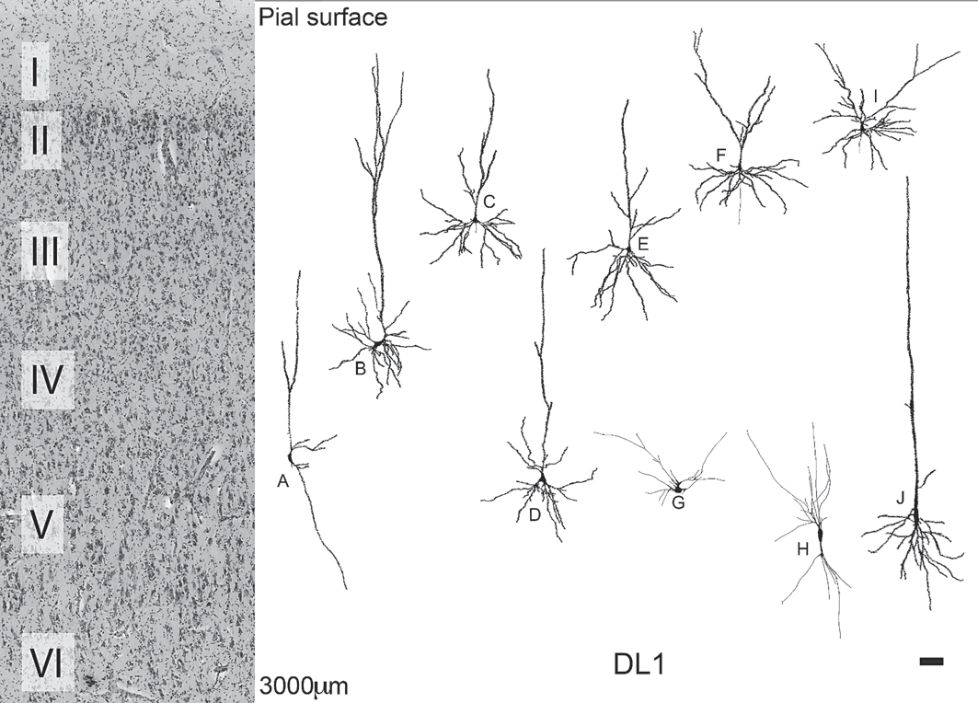
Fig. 5. Neurolucida tracings of spiny and aspiny neurons found in visual area DL1 presented to indicate their location relative to the cortical layers: bipolar neuron (A), pyramidal neurons (B–F), aspiny neurons (G, H), ex-traverted neurons (I), and magnopyramidal neuron (J). Scale bar = 100 μm.
(fig. 3a, b, d, g, h, 4 C–H, 5 B–F, 6 A–I). Apical dendrites in DL4 formed a single thick branch before splitting into 2 or 3 smaller branches in a V-shaped pattern. Those clos-er to the pial surface displayed single thick apical den-drites that extended a short distance before splitting into 2 or more secondary main branches, whereas pyramidal neurons deeper in the cortex more closely resembled those in area DL4, with single apical dendrites with little or no branching. Because there were no significant differences for any measure of pyramidal neuron morphology between CL2 and DL1, we pooled these regions and analyzed regional differences in pyramidal neuron morphology between S1 and V1. Descriptive statistics are shown in table 2. The DSC was significantly higher in S1 (W = 183.0, corrected | p = 0.01), while there were no significant differences be-tween regions in terms of soma area (W = 55.5, corrected p = 0.14), TDL (W = 152.5, corrected p = 0.49), MSL (W = 64.5, corrected p = 0.36), DSN (W = 143.5, cor-rected p > 0.99), and DSD (W = 124.0, corrected p > 0.99). Discussion The present study investigated the neuronal morphol-ogy of 2 cortical areas of S1 and 1 area of V1 in a Florida manatee (T. manatus latirostris), providing qualitative descriptions of the different neuron types and a compar-ative analysis of S1 and V1 pyramidal neuron morphol-

Table 7
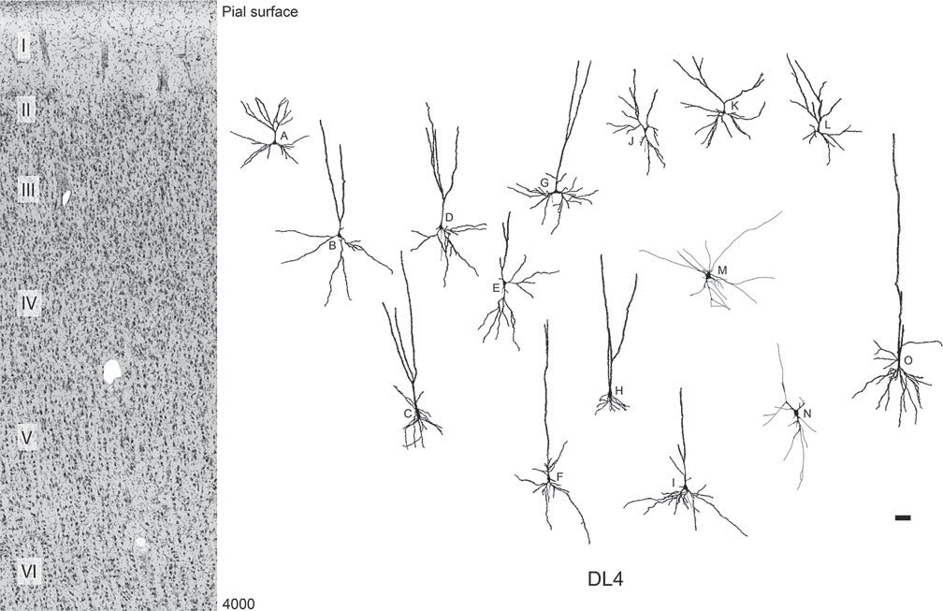
Fig. 6. Neurolucida tracings of spiny and aspiny neurons found in visual area DL4 presented to indicate their location relative to the cortical layers: pyramidal neurons (A–I), extraverted neurons (J–L aspiny neurons (M, N), and magnopyramidal neuron (O). Scale bar = 100 μm.
ogy. Manatee neurons exhibited a variety of morphologi-cal types, with pyramidal neurons appearing as the most common. Although the sample is relatively limited in terms of both cytoarchitectural areas and the number of individuals, several morphological types that are compa-rable to those found in other mammalian species, includ-ing afrotherians, were identified [Bianchi et al., 2011; Ja-cobs et al., 2011, 2015; Butti et al., 2014, 2015]. A quanti-tative comparison between pyramidal neurons in S1 and V1 indicated a relatively greater DSC in S1 and might reflect an increased reliance on tactile sensation com-pared to vision in manatees. Neuron Morphology in S1 and V1 as It Relates to Manatee Ecology We found that one measure of dendritic branching (indicated by DSC) was increased in pyramidal neurons of S1 compared to V1. This might be related to feeding adaptations in the manatee. Manatees inhabit a shallow | and turbid aquatic environment and thus rely heavily on tactile sensation instead of vision [Sarko and Reep, 2007]. Vibrissae are present over the entire surface of the mana-tee body and provide high-resolution tactile information about the aquatic environment [Reep et al., 2002]. Facial vibrissae are highly adapted for feeding [Sarko and Reep, 2007] and are efficient in their movements during grazing and browsing on aquatic vegetation [Marshall et al., 1998; Reep et al., 1998, 2001; Sarko et al., 2007]. The perioral vibrissae participate in oripulation and are active in both grasping and sensing vegetation [Reep et al., 2001], and they are highly innervated [Sarko and Reep, 2007]. Increased dendritic branching in pyramidal neurons has been identified in the occipital cortex of rats reared in complex, enriched environments compared to rats reared in more impoverished environments, including cages with individual housing [Diamond et al., 1964; Volkmar and Greenough, 1972; Greenough and Volkmar, 1973; Wallace et al., 1992] and visual deprivation [Holloway,

